Question2
 | transshipment problem

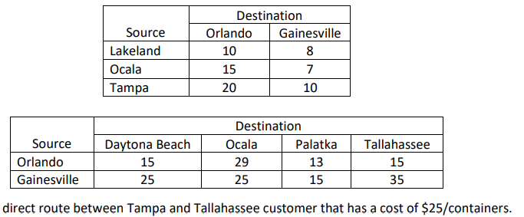
Table of shipping costs |  |  | Table of demand | Supply | Demand
 |  |  |  | 270 | 200
 |  |  |  | 250 | 180
 |  |  |  | 300 | 240
 |  |  |  |  | 200
 |  |  |  | 820 | 820

 |  | minimize shipping costs

